Reward
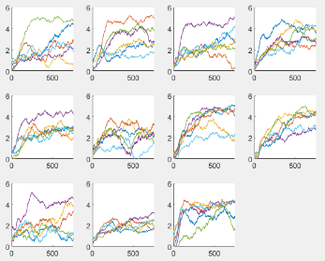
Reward Tune 1
Optimization steps | 6 | 12 | 18 | Minor |  | 1 | 2 | 3
Network size | 64 | 128 | 256 | Minor |  | 4 | 2 | 5
Batch Size | 5 | 10 | 15 | Major |  | 6 | 2 | 7
Likelihood | 0.05 | 0.1 | 0.2 | Medium |  | 8 | 2 | 9
Repeats | 6 | 8 | 16 | Minor |  | 10 | 2 | 11
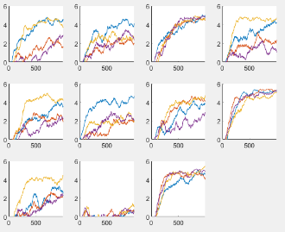
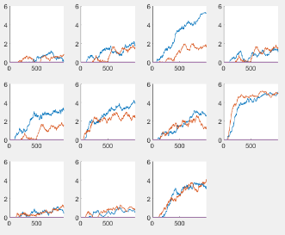
 |  |  |  |  |  |  |  |  |  |  |  |  |  | reward 3 left
Optimization steps | 6 | 12 | 24 | Major |  | 1 | 2 | 3 |  |  |  |  |  | reward 2 right
Basepline steps | 2 | 5 | 10 | None |  | 4 | 2 | 5
Batch Size | 15 | 25 | 35 | None |  | 6 | 2 | 7
Minibatch | 128 | 1028 | 2048 | Major |  | 8 | 2 | 9
gamma | 0.97 | 0.99 | 0.995 | Major |  | 10 | 2 | 11

EXAMPLE | -e | -sd | -m | -ns | -rl | -rn | -sc | -rp | -bt | -os | -bs | -mb | -lr | -gm | -tk
9021 | 1000 | 20 | 750 | 192 | 3 | 3 | 6 | 12 | 25 | 12 | 5 | 1028 | 0.05 | 0.99 | 0

LIFT
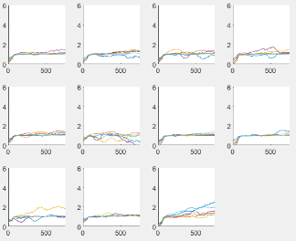
Reward Tune 1
Optimization steps | 6 | 12 | 18 | None |  | 1 | 2 | 3
Network size | 64 | 128 | 256 | None |  | 4 | 2 | 5
Batch Size | 5 | 10 | 15 | None |  | 6 | 2 | 7
Likelihood | 0.05 | 0.1 | 0.2 | None |  | 8 | 2 | 9
Repeats | 6 | 8 | 16 | Minor |  | 10 | 2 | 11

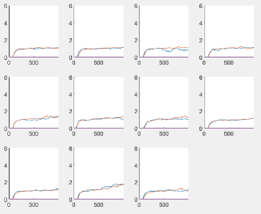
Optimization steps | 6 | 12 | 24 | None |  | 1 | 2 | 3
Basepline steps | 2 | 5 | 10 | None |  | 4 | 2 | 5
Batch Size | 15 | 25 | 35 | None |  | 6 | 2 | 7
Minibatch | 128 | 1028 | 2048 | None |  | 8 | 2 | 9
gamma | 0.97 | 0.99 | 0.995 | Very minor |  | 10 | 2 | 11

EXAMPLE | -e | -sd | -m | -ns | -rl | -rn | -sc | -rp | -bt | -os | -bs | -mb | -lr | -gm | -tk
9021 | 1000 | 20 | 750 | 192 | 3 | 3 | 6 | 12 | 25 | 12 | 5 | 1028 | 0.05 | 0.99 | 0

